Sheet1
Module
Manufacturer | Hanwha Q Cells
Model | Q.POWER L-G5 320
Module Technology | Si-poly
Vmpp (60C) | 31.8 V
Voc (-10C) | 51 V

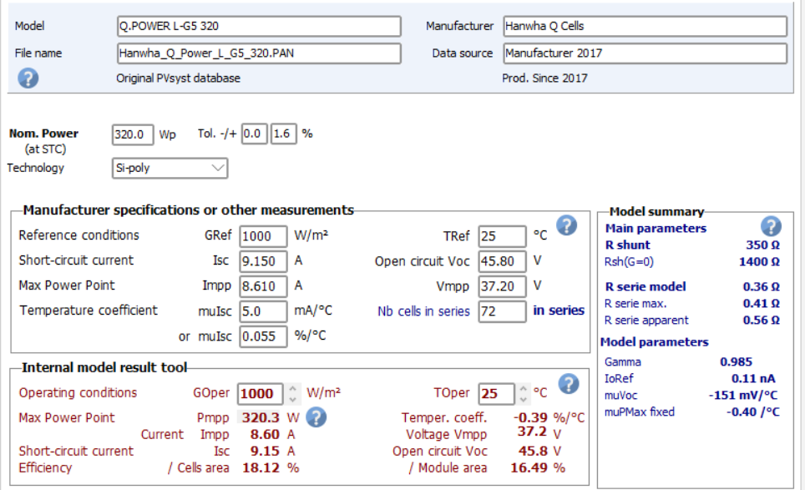

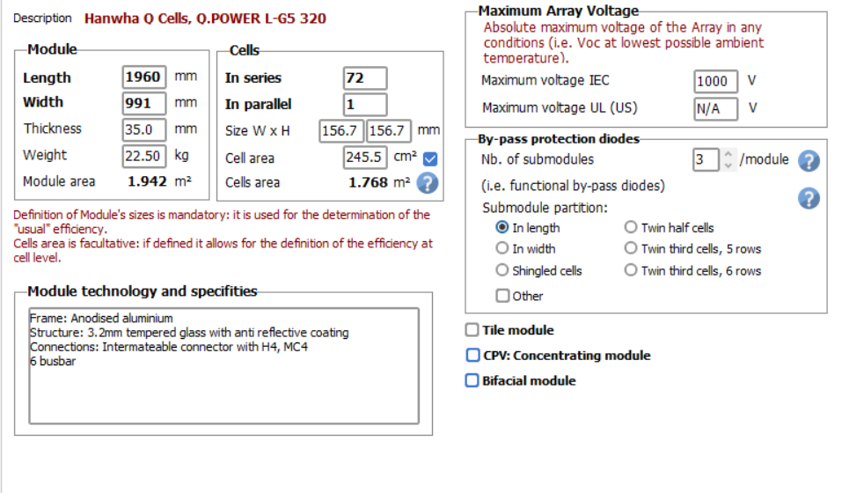

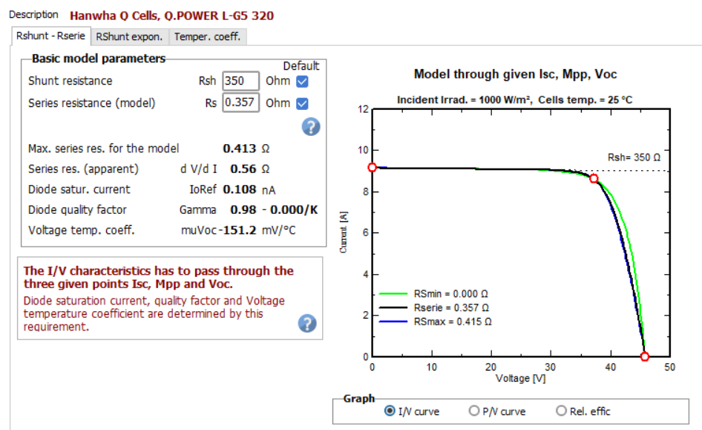

Inverter
Model | Sunny Central 2200
Manufacturer | SMA
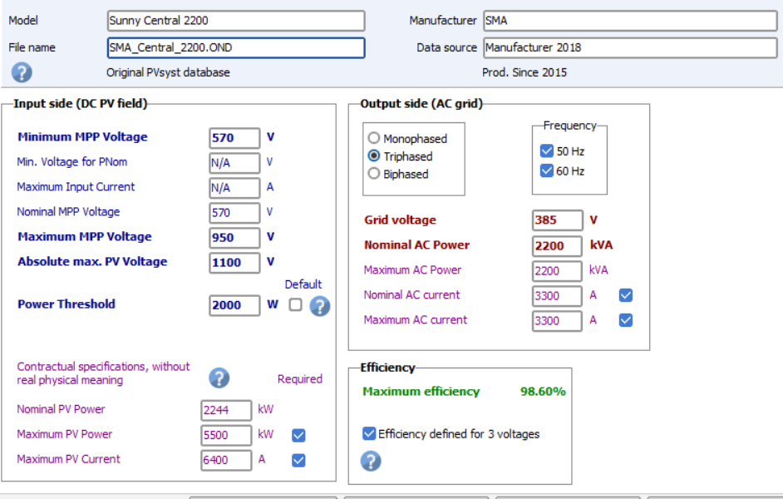

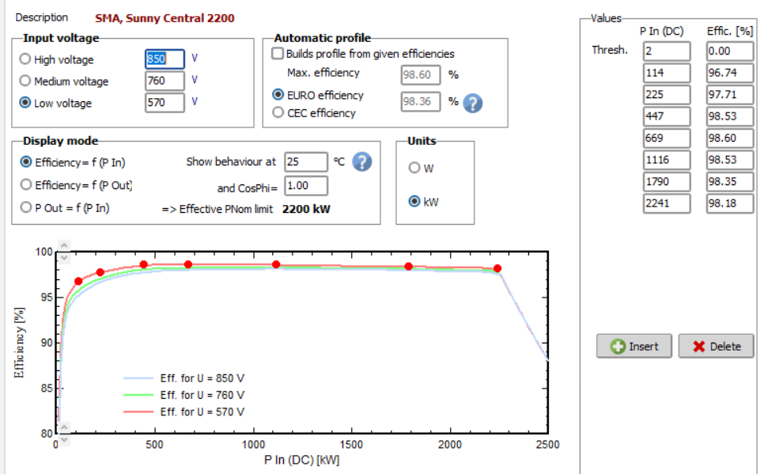

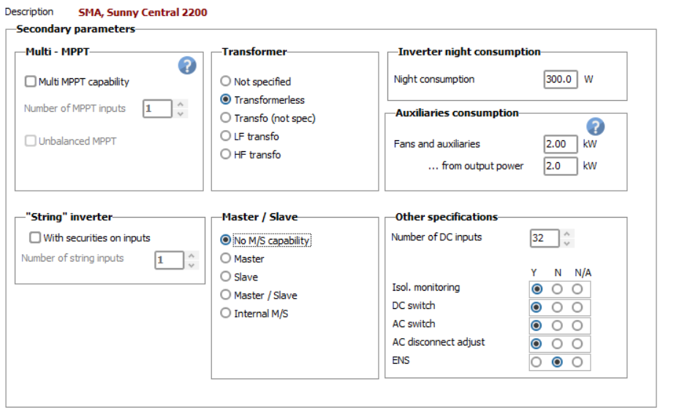

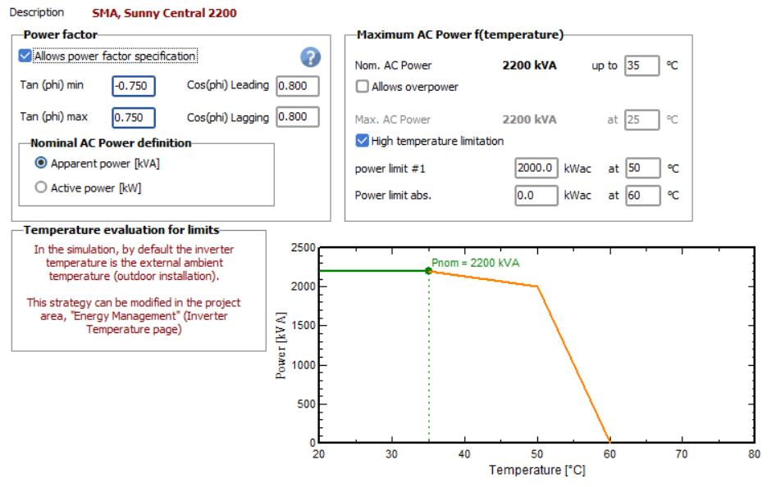

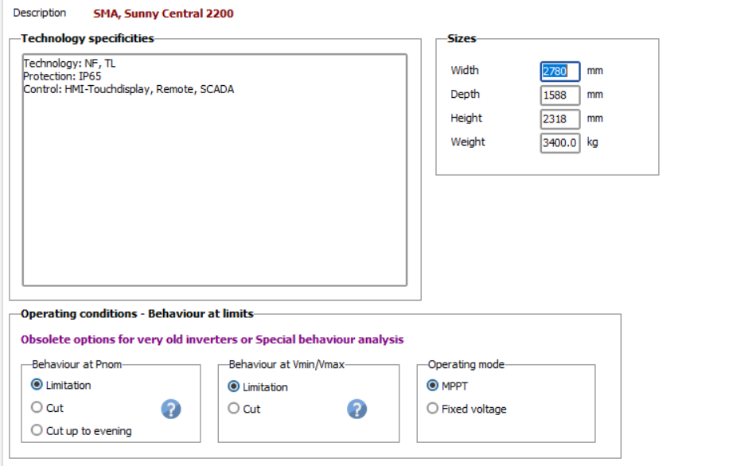

Other system configuration

Number of modules per string | 18
Number of strings | 384

Orientation | Fixed titled plance
Tilt | 25 degree
Azimuth | 180 degree

